Sheet1
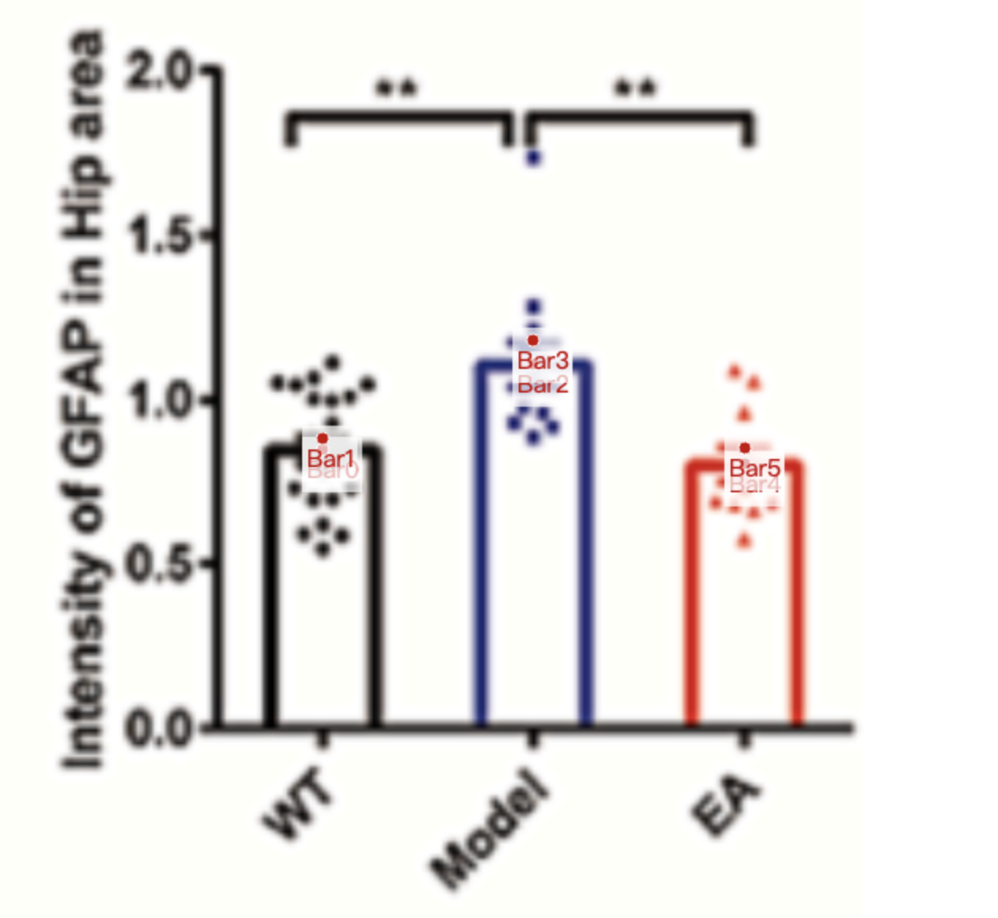
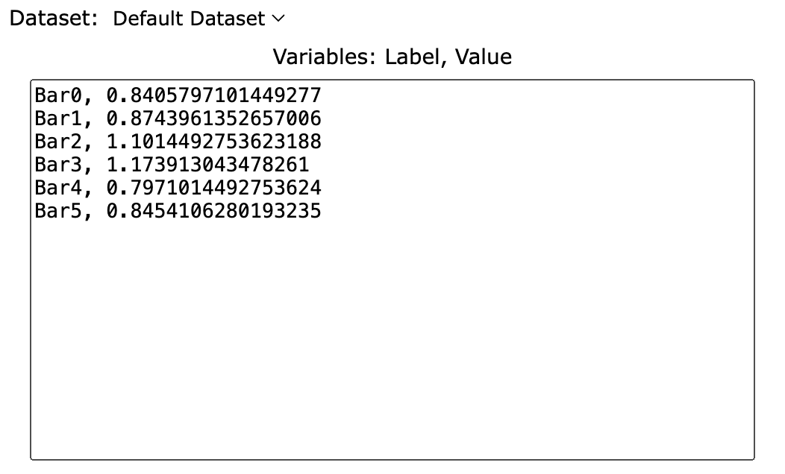
Treatment Groups | WT | Model | EA
mean | 0.84057971014 | 1.1014492754 | 0.79710144928
sem | 0.03381642512 | 0.07246376812 | 0.04830917874
mean+sem | 0.87439613527 | 1.1739130435 | 0.84541062802
sd (sem * sqrt(8)) | 0.0894698511 | 0.1917211095 | 0.1366389915

